Sheet1
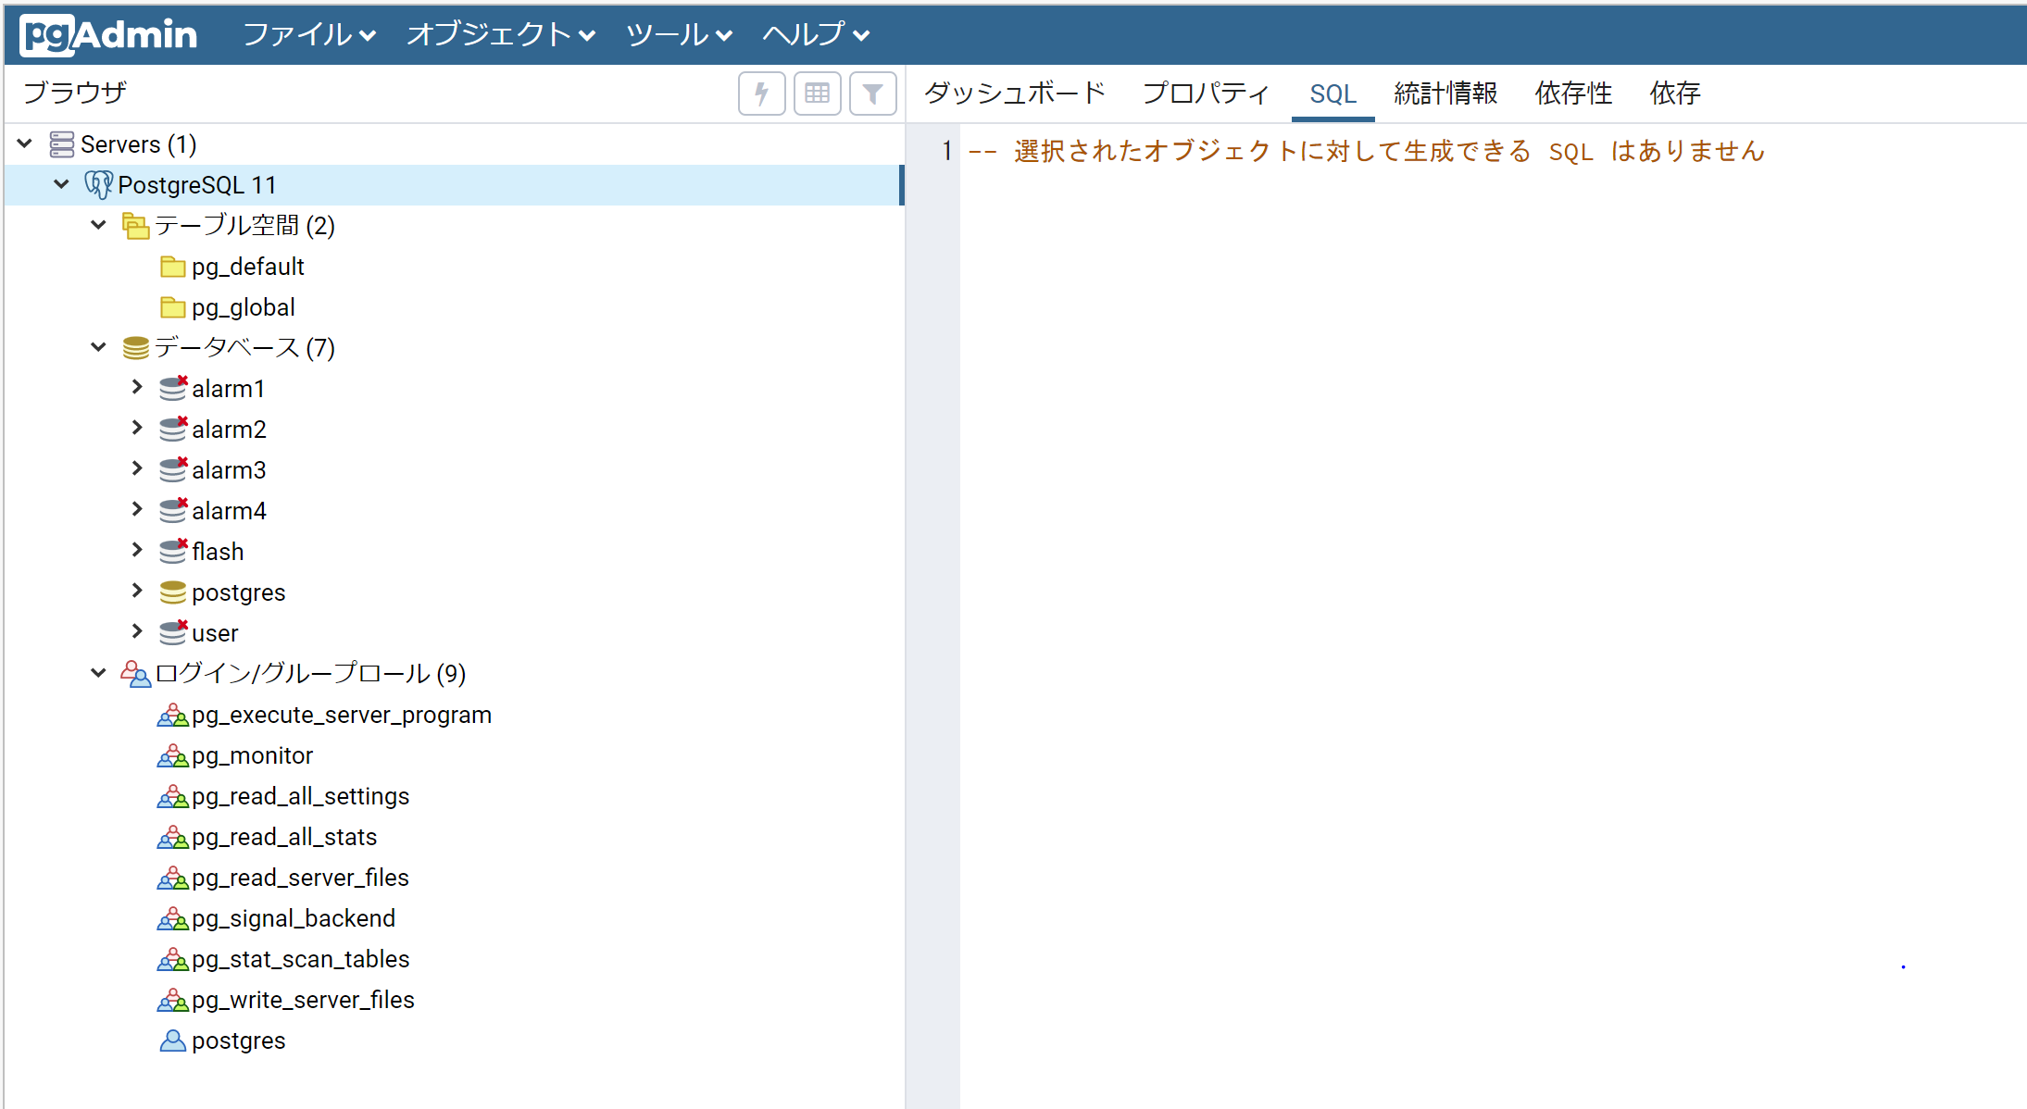
マスタパスワード：postgres

